UserDetails.csv
User ID | User Name | Age | Location | Registration Date | Phone | Email | Favorite Meal | Total Orders
U001 | Alice Johnson | 28 | New York | 2023-01-15 | 123-456-7890 | alice@email.com | Dinner | 12
U002 | Bob Smith | 35 | Los Angeles | 2023-02-20 | 987-654-3210 | bob@email.com | Lunch | 8
U003 | Charlie Lee | 42 | Chicago | 2023-03-10 | 555-123-4567 | charlie@email.com | Breakfast | 15
U004 | David Brown | 27 | San Francisco | 2023-04-05 | 444-333-2222 | david@email.com | Dinner | 10
U005 | Emma White | 30 | Seattle | 2023-05-22 | 777-888-9999 | emma@email.com | Lunch | 9
U006 | Frank Green | 25 | Austin | 2023-06-15 | 888-777-6666 | frank@email.com | Dinner | 7
U007 | Grace King | 38 | Boston | 2023-07-02 | 999-888-7777 | grace@email.com | Breakfast | 14
U008 | Henry Lee | 31 | Miami | 2023-08-11 | 101-202-3030 | henry@email.com | Dinner | 5
U009 | Irene Moore | 33 | Dallas | 2023-09-01 | 202-303-4040 | irene@email.com | Lunch | 6
U010 | Jack White | 29 | Phoenix | 2023-10-10 | 303-404-5050 | jack@email.com | Dinner | 8
Total Orders vs. Age

CookingSessions.csv
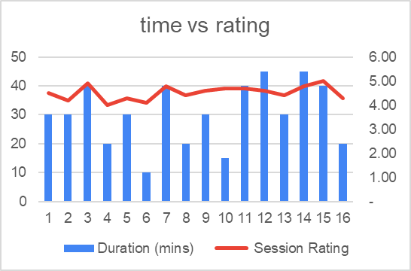
Session ID | User ID | Dish Name | Meal Type | Session Start | TIME START | TIME End | Session End | Duration (mins) | Session Rating
S001 | U001 | Spaghetti | Dinner | 2024-12-01 | 19:00 | 19:30 | 2024-12-01 | 0:30:00 | 4.5
S002 | U002 | Caesar Salad | Lunch | 2024-12-01 | 12:00 | 12:20 | 2024-12-01 | 0:20:00 | 4
S003 | U003 | Grilled Chicken | Dinner | 2024-12-02 | 19:30 | 20:10 | 2024-12-02 | 0:40:00 | 4.8
S004 | U001 | Pancakes | Breakfast | 2024-12-02 | 07:30 | 08:00 | 2024-12-02 | 0:30:00 | 4.2
S005 | U004 | Caesar Salad | Lunch | 2024-12-03 | 13:00 | 13:15 | 2024-12-03 | 0:15:00 | 4.7
S006 | U002 | Spaghetti | Dinner | 2024-12-03 | 18:30 | 19:00 | 2024-12-03 | 0:30:00 | 4.3
S007 | U005 | Grilled Chicken | Dinner | 2024-12-04 | 18:00 | 18:45 | 2024-12-04 | 0:45:00 | 4.6
S008 | U003 | Veggie Burger | Lunch | 2024-12-04 | 13:30 | 13:50 | 2024-12-04 | 0:20:00 | 4.4
S009 | U001 | Grilled Chicken | Dinner | 2024-12-05 | 19:00 | 19:40 | 2024-12-05 | 0:40:00 | 4.9
S010 | U002 | Oatmeal | Breakfast | 2024-12-05 | 07:00 | 07:10 | 2024-12-05 | 0:10:00 | 4.1
S011 | U003 | Pancakes | Breakfast | 2024-12-06 | 08:00 | 08:30 | 2024-12-06 | 0:30:00 | 4.6
S012 | U004 | Spaghetti | Dinner | 2024-12-06 | 19:00 | 19:40 | 2024-12-06 | 0:40:00 | 4.7
S013 | U005 | Caesar Salad | Lunch | 2024-12-07 | 12:30 | 13:00 | 2024-12-07 | 0:30:00 | 4.4
S014 | U006 | Grilled Chicken | Dinner | 2024-12-07 | 18:00 | 18:45 | 2024-12-07 | 0:45:00 | 4.8
S015 | U007 | Spaghetti | Dinner | 2024-12-08 | 19:30 | 20:10 | 2024-12-08 | 0:40:00 | 5
S016 | U008 | Veggie Burger | Lunch | 2024-12-08 | 13:30 | 13:50 | 2024-12-08 | 0:20:00 | 4.3

